Analysis by Sub-category
Analysis by Sub-category

category | sub_category | number_of_orders | avg_per_order | total_sales | total_discount | total_profit
Furniture | Bookcases | 47175 | 603.18 | 28455001.33 | 16856.48 | 164628.63
Furniture | Chairs | 66238 | 430.74 | 28531374.88 | 20532.95 | 154355.84
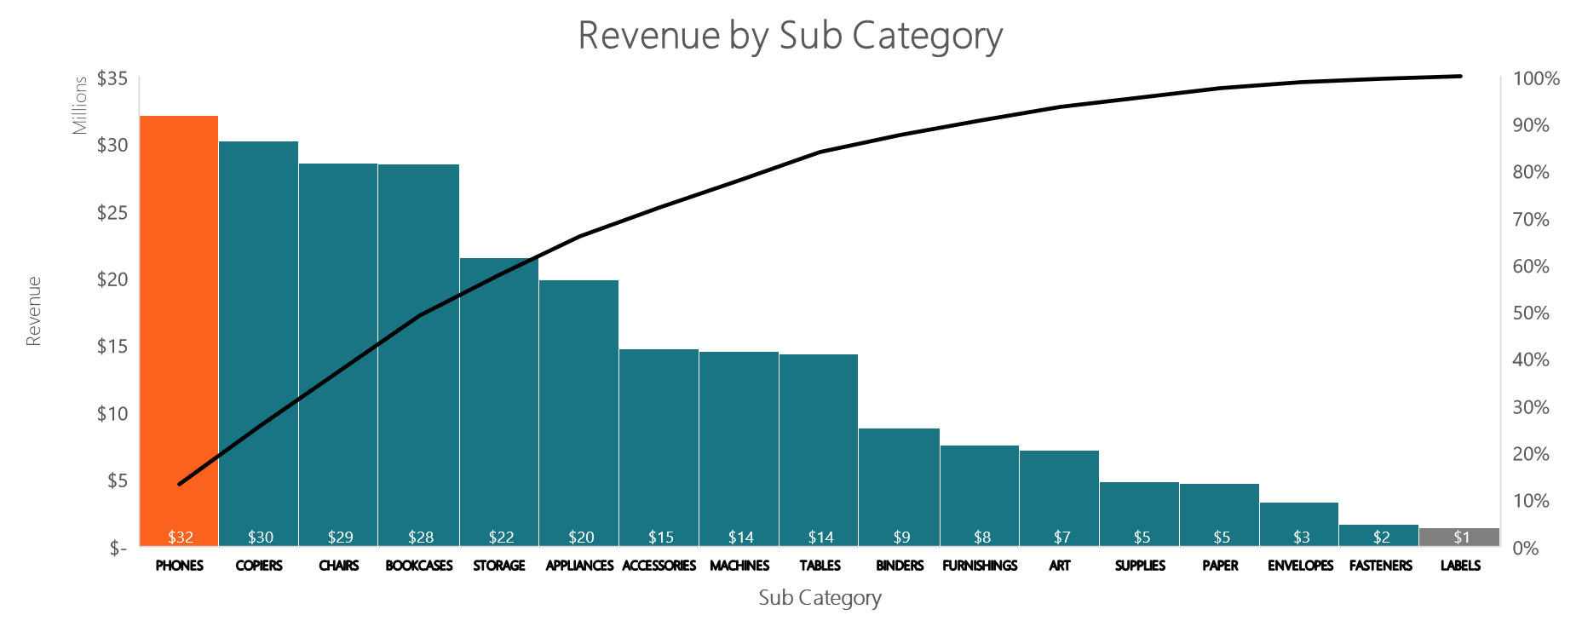
Furniture | Furnishings | 61351 | 122.7 | 7527476.29 | 13123.2 | 54688.8
Furniture | Tables | 16459 | 871.41 | 14342554.42 | 5948.65 | -59100.82
Office Supplies | Appliances | 33625 | 590.46 | 19854220.26 | 15487.52 | 147796.31
Office Supplies | Art | 94169 | 75.78 | 7136262.95 | 24534.57 | 69966.03
Office Supplies | Binders | 119815 | 73.66 | 8825331.01 | 31561.53 | 91271.44
Office Supplies | Envelopes | 47132 | 68.96 | 3250148.92 | 7179.73 | 32359.1
Office Supplies | Fasteners | 47027 | 34.3 | 1612948.87 | 7328.48 | 15542.22
Office Supplies | Labels | 49814 | 28.08 | 1398704.75 | 7781.04 | 19649.32
Office Supplies | Paper | 67996 | 68.98 | 4690635.69 | 11015.34 | 64932.58
Office Supplies | Storage | 97106 | 221.55 | 21514297.39 | 20455.39 | 118342.01
Office Supplies | Supplies | 47587 | 100.99 | 4805649.07 | 9734.36 | 27072.37
Technology | Accessories | 59088 | 249.25 | 14727961.55 | 9581.35 | 129314.17
Technology | Copiers | 43639 | 691.76 | 30187704.95 | 15293.19 | 257313.96
Technology | Machines | 28454 | 509.53 | 14498190.21 | 11816.62 | 62711.09
Technology | Phones | 64002 | 501.65 | 32106289.16 | 16704.81 | 223042.61

Gross Profit Analysis
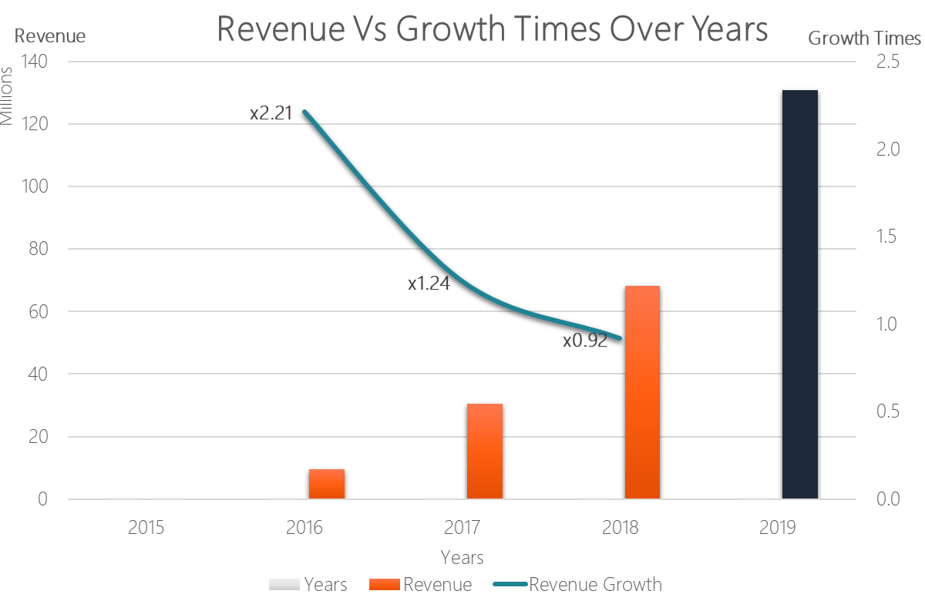
Gross Profit Analysis

tsn_year | total_sales | total_discount | total_profit | gp_margin
2015 | 2,114.1 | 1.2 | 1.2 | 0.06
2016 | 9,468,221 | 7889.7 | 248,496.1 | 2.62
2017 | 30,427,830 | 28233.42 | 312,483.0 | 1.03
2018 | 68,267,021 | 65135.98 | 442,377.6 | 0.65
2019 | 130,852,051 | 138264.75 | 566,702.1 | 0.43
2020 | 4,447,515 | 5410.16 | 3,825.8 | 0.09

Yearly Profit By Category
Number of Products in each Category
5,689
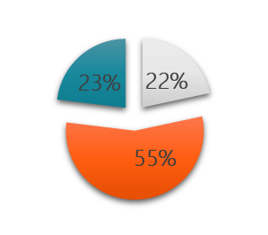
Office Supplies
category | yearly | profit_pct | Yearly_profit_pct_by_category | Years
Furniture | 2015 | 0.0003 | Category | Furniture | Office Supplies | Technology
Furniture | 2016 | 0.0165 | 2015 | 0.0003 | 0.0008 | 0.0009
Furniture | 2017 | 0.0061 | 2016 | 0.0165 | 0.0313 | 0.0312
2, 375
Furniture | 2018 | 0.0041 | 2017 | 0.0061 | 0.0123 | 0.0122
Technology
Furniture | 2019 | 0.0026 | 2018 | 0.0041 | 0.0083 | 0.007
Furniture | 2020 | 0.0006 | 2019 | 0.0026 | 0.0055 | 0.0049
2,228
Office Supplies | 2015 | 0.0008 | 2020 | 0.0006 | 0.0016 | 0.0005
Furniture
Office Supplies | 2016 | 0.0313
Office Supplies | 2017 | 0.0123
Office Supplies | 2018 | 0.0083
Office Supplies | 2019 | 0.0055
Office Supplies | 2020 | 0.0016
Technology | 2015 | 0.0009
Technology | 2016 | 0.0312
Technology | 2017 | 0.0122
Technology | 2018 | 0.007
Technology | 2019 | 0.0049
Technology | 2020 | 0.0005

Sales_Descriptive
Orders Summary
analysis_on | sales | total_qty |  | discount | total_profit
COUNT | 990,677 | 990,677 |  | 990,677 | 990,677
MIN | $0 | $1 |  | $- | $(6,600)
MAX | $22,638 | $14 |  | $7,525 | $8,400
AVERAGE | $246 | $3 |  | $75 | $2
TOTAL | $243,464,752 | $3,443,762 |  | $74,661,948 | $1,573,886

Orders Summary by Year
Years | total_orders |  |  | Revenue | Revenue Growth | total_qty |  | discount |  | total_profit |  | gross_profit
2015 | 14 |  |  | $2,114 |  | 54 |  | $248 |  | $1 |  | 0.057 | $2,113
2016 | 32,624 |  |  | $9,468,221 |  | 129,709 |  | $2,614,275 |  | $248,496 |  | 2.625 | $9,219,725
2017 | 119,092 |  |  | $30,427,830 | 2.21 | 432,159 | 233.18% | $8,711,488 |  | $312,483 | 25.75% | 1.027 | $30,115,347 | 226.64%
2018 | 270,800 |  |  | $68,267,021 | 1.24 | 968,081 | 124.01% | $20,019,880 |  | $442,378 | 41.57% | 0.648 | $67,824,643 | 125.22%
2019 | 525,242 |  |  | $130,852,051 | 0.92 | 1,848,168 | 90.91% | $41,758,425 |  | $566,702 | 28.10% | 0.433 | $130,285,349 | 92.09%
2020 | 18,773 |  |  | $4,447,515 |  | 65,591 |  | $1,557,633 |  | $3,826 |  | 0.086 | $4,443,689

Sales Vs Growth Rate Over Years
 | Years |  | Revenue |  | Revenue Growth
2015 | 2015 | 2015 | $2,114 | 1
2016 | 2016 | 2016 | $9,468,221 | 2 | 2.21
2017 | 2017 | 2017 | $30,427,830 | 3 | 1.24
2018 | 2018 | 2018 | $68,267,021 | 4 | 0.92
2019 | 2019 | 2019 | $130,852,051

Order Summary by Segment
segment | total_orders | sales |  | total_qty | discount | total_profit | gross_profit
CONSUMER | 13,761 | $123,938,486 |  | 1,769,941 | 37,689,611 | 806,453 | 0.651
CORPORATE | 9,677 | $73,901,868 |  | 1,027,900 | 22,766,598 | 473,004 | 0.64
HOME OFFICE | 6,725 | $45,624,398 |  | 645,921 | 14,205,740 | 294,429 | 0.645

Orders Summary by Sub_Category
sub_category | total_orders | sales | Sales % | total_qty | discount | total_profit | Profit % | gross_profit
PHONES | 64,002 | $32,106,289 | 13.2% | 225,578 | $8,518,098 | $223,043 | 14% | 0.695
COPIERS | 43,639 | $30,187,705 | 12.4% | 146,889 | $10,748,829 | $257,314 | 16% | 0.852
CHAIRS | 66,238 | $28,531,375 | 11.7% | 234,592 | $9,031,428 | $154,356 | 10% | 0.541
BOOKCASES | 47,175 | $28,455,001 | 11.7% | 162,641 | $10,436,750 | $164,629 | 10% | 0.579
STORAGE | 97,106 | $21,514,297 | 8.8% | 323,158 | $4,602,077 | $118,342 | 8% | 0.55
APPLIANCES | 33,625 | $19,854,220 | 8.2% | 117,879 | $9,084,564 | $147,796 | 9% | 0.744
ACCESSORIES | 59,088 | $14,727,962 | 6.0% | 212,353 | $2,380,059 | $129,314 | 8% | 0.878
MACHINES | 28,454 | $14,498,190 | 6.0% | 94,113 | $6,044,264 | $62,711 | 4% | 0.433
TABLES | 16,459 | $14,342,554 | 5.9% | 59,258 | $5,189,398 | $(59,101) | -4% | -0.412
BINDERS | 119,815 | $8,825,331 | 3.6% | 417,445 | $2,395,157 | $91,271 | 6% | 1.034
FURNISHINGS | 61,351 | $7,527,476 | 3.1% | 217,072 | $1,643,405 | $54,689 | 3% | 0.727
ART | 94,169 | $7,136,263 | 2.9% | 312,397 | $1,843,410 | $69,966 | 4% | 0.98
SUPPLIES | 47,587 | $4,805,649 | 2.0% | 170,393 | $1,002,141 | $27,072 | 2% | 0.563
PAPER | 67,996 | $4,690,636 | 1.9% | 245,034 | $756,975 | $64,933 | 4% | 1.384
ENVELOPES | 47,132 | $3,250,149 | 1.3% | 160,726 | $502,938 | $32,359 | 2% | 0.996
FASTENERS | 47,027 | $1,612,949 | 0.7% | 163,825 | $257,602 | $15,542 | 1% | 0.964
LABELS | 49,814 | $1,398,705 | 0.6% | 180,409 | $224,853 | $19,649 | 1% | 1.405
 |  | $243,464,751 |  |  |  | $1,573,885

Revenue by Category
Orders Summary by Category
category | total_orders |  |  | sales |  | total_qty |  | discount |  | total_profit |  | gross_profit
OFFICE SUPPLIES | 604271 |  |  | $73,088,199 |  | 2091266 |  | 20669717 |  | 586931 |  | 0.803
FURNITURE | 191223 |  |  | $78,856,407 |  | 673563 |  | 26300981 |  | 314572 |  | 0.399
TECHNOLOGY | 195183 |  |  | $91,520,146 |  | 678933 |  | 27691250 |  | 672382 |  | 0.735
 |  |  |  | $243,464,752

Year | total_sales | Sales Growth % |  | Profit | Profit % | total_discount | Discount Growth % | total_cos |  |  | Cost Growth %
2015 | 2114.06 |  |  | 1.20 | 0.06% | 247.5325 |  | 2112.86 | 100%
2016 | 9,468,221 | 447769% |  | 248,496.05 | 2.62% | 2614275.291 | 100% | 9219724.72 | 97.38% |  | 100%
2017 | 30,427,830 | 221% |  | 312,482.95 | 1.03% | 8711487.7161 | 70% | 30115347.27 | 98.97% |  | 69%
2018 | 68,267,021 | 124% |  | 442,377.58 | 0.65% | 20019879.708 | 56% | 67824643.43 | 99.35% |  | 56%
2019 | 130,852,051 | 92% |  | 566,702.11 | 0.43% | 41758424.545 | 52% | 130285348.79 | 99.57% |  | 48%
2020 | 4447514.74 | -97% |  | 3,825.77 | 0.09% | 1557633.2008 | -2581% | 4443688.97 | 100% |  | -2832%

Years | Sales Growth % | Cost Growth % |  | Profit Growth % | Discount Growth %
2016-07-08 | 69% | 69% |  | 20% | 70%
2017-07-10 | 55% | 56% |  | 29% | 56%
2018-07-11 | 48% | 48% |  | 22% | 52%

GP by Sub-Category
sub_category | total_sales | total_qty | total_pft | gp
Labels | 1,398,704.75 | 180,409 | 19,649.32 | 1.40%
Paper | 4,690,635.69 | 245,034 | 64,932.58 | 1.38%
Binders | 8,825,331.01 | 417,445 | 91,271.44 | 1.03%
Envelopes | 3,250,148.92 | 160,726 | 32,359.10 | 1.00%
Art | 7,136,262.95 | 312,397 | 69,966.03 | 0.98%
Fasteners | 1,612,948.87 | 163,825 | 15,542.22 | 0.96%
Accessories | 14,727,961.55 | 212,353 | 129,314.17 | 0.88%
Copiers | 30,187,704.95 | 146,889 | 257,313.96 | 0.85%
Last 5 Profitable Sub-Categories
Appliances | 19,854,220.26 | 117,879 | 147,796.31 | 0.74%
Furnishings | 7,527,476.29 | 217,072 | 54,688.80 | 0.73%
Phones | 32,106,289.16 | 225,578 | 223,042.61 | 0.69%
Bookcases | 28,455,001.33 | 162,641 | 164,628.63 | 0.58%
Supplies | 4,805,649.07 | 170,393 | 27,072.37 | 0.56%
Storage | 21,514,297.39 | 323,158 | 118,342.01 | 0.55%
Chairs | 28,531,374.88 | 234,592 | 154,355.84 | 0.54%
Machines | 14,498,190.21 | 94,113 | 62,711.09 | 0.43%
Tables | 14,342,554.42 | 59,258 | (59,100.82) | -0.41%

Worst 5 Unprofitable Sub-Categories
sub_category | total_sales | total_qty | Total Profit | Gross Profit
Tables | 14,342,554.42 | 59,258 | (59,100.82) | -0.41%
Supplies | 4,805,649.07 | 170,393 | 27,072.37 | 0.56%
Machines | 14,498,190.21 | 94,113 | 62,711.09 | 0.43%
Storage | 21,514,297.39 | 323,158 | 118,342.01 | 0.55%
Chairs | 28,531,374.88 | 234,592 | 154,355.84 | 0.54%

Top 5 profitable Sub-Categories

Top 5 profitable Sub-Categories
sub_category | total_sales | total_qty | total_pft | gp
Binders | 8,825,331 | 417,445 | 91,271 | 1.03%
Art | 7,136,263 | 312,397 | 69,966 | 0.98%
Paper | 4,690,636 | 245,034 | 64,933 | 1.38%
Envelopes | 3,250,149 | 160,726 | 32,359 | 1.00%
Labels | 1,398,705 | 180,409 | 19,649 | 1.40%

Yearly Profit and Sales
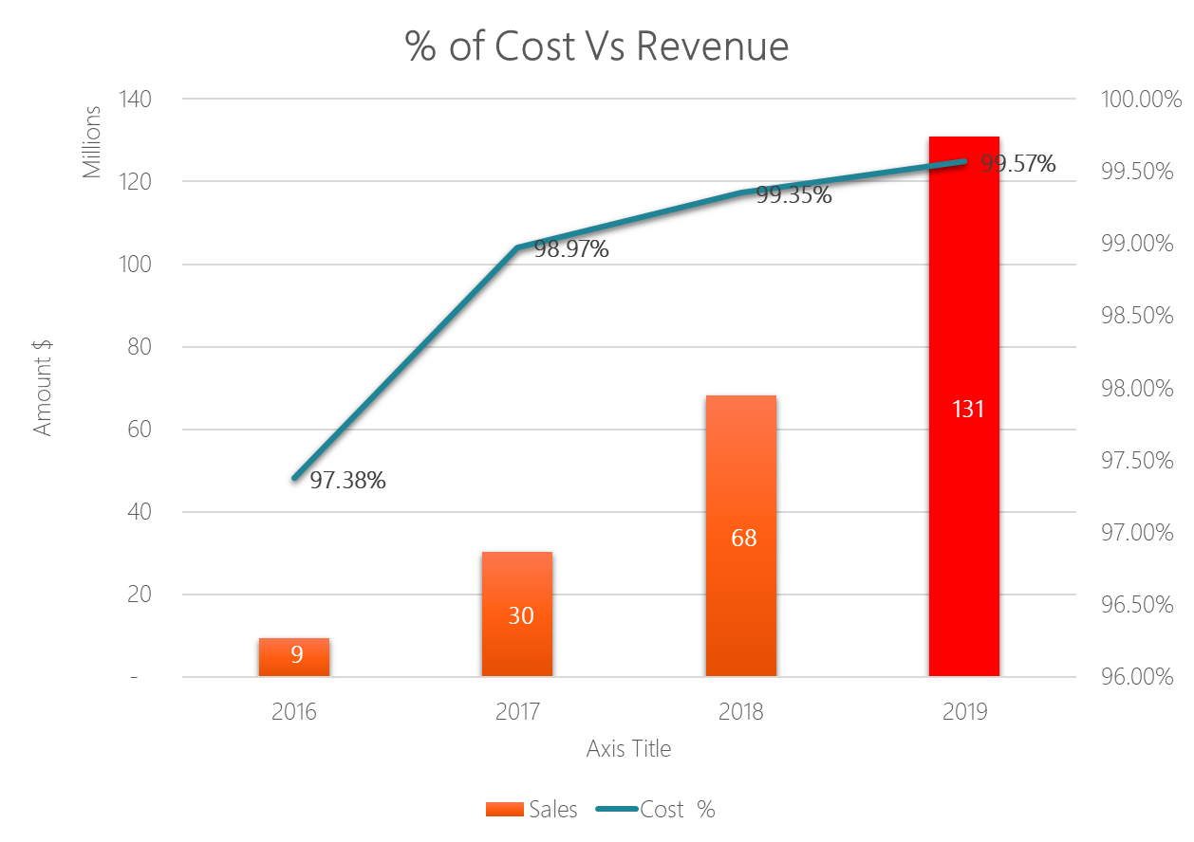
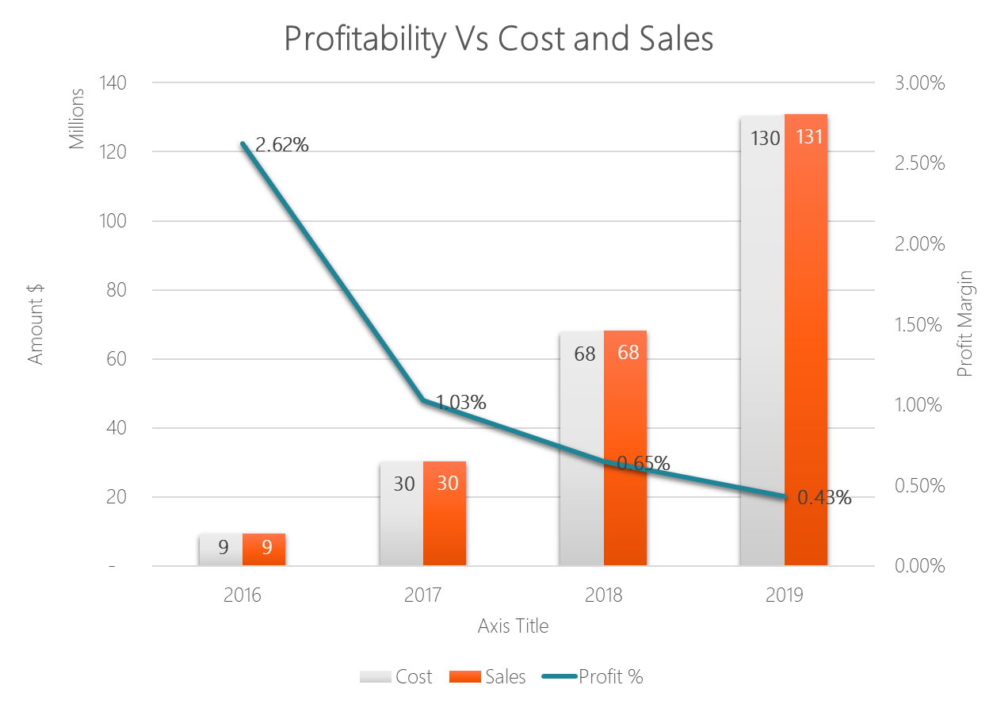
years | total_sales | total_profit | total_cos | date_part | return_total | return_profit | return_gp
2015 | 2,114 | 1 | 2,113
2016 | 9,468,221 | 248,496 | 9,219,725 | 2016 | $100,991 | $2,141 | 2.120%
2017 | 30,427,830 | 312,483 | 30,115,347 | 2017 | $391,901 | $2,793 | 0.713% | 1%
2018 | 68,267,021 | 442,378 | 67,824,643 | 2018 | $931,140 | $2,154 | 0.231%
2019 | 130,852,051 | 566,702 | 130,285,349 | 2019 | $1,880,689 | $3,881 | 0.206%
2020 | 4,447,515 | 3,826 | 4,443,689 | 2020 | $147,049 | $(165) | -0.112%

Table Category Analysis
Total of Orders Sales and Profit Containing Tables Catgory |  |  |  |  |  | Total of Table Sales and Profit in Tables Catgory
date_part | sales | profit | discount |  |  | years | date_part | sub_category | sales | profit | disocunt
2016 | 712,645 | (2,817) | 225,643 | 74% | 7,902 | 2016 | 2016 | Tables | 644,198 | (10,719) | 207,223
2017 | 1,960,163 | 3,007 | 692,513 | 145% | 9,618 | 2017 | 2017 | Tables | 1,899,717 | (6,610) | 677,991
2018 | 3,950,056 | (2,197) | 1,386,998 | 85% | 12,671 | 2018 | 2018 | Tables | 3,856,097 | (14,868) | 1,362,181
2019 | 7,786,616 | (11,490) | 2,855,861 | 57% | 15,529 | 2019 | 2019 | Tables | 7,674,343 | (27,019) | 2,826,590
2020 | 268,199 | 116 | 115,413 | 0% | - | 2020 | 2020 | Tables | 268,199 | 116 | 115,413
 |  | (13,381) |  |  |  |  |  |  |  | (59,101)
 |  | (45,720)

Loss Covered over years
 | Year | All Category Profit | Table_Profit | Loss Covered | % of Loss Covered
 | 2016 | (2,817) | (10,719) | 7,902 | 74%
 | 2017 | 3,007 | (6,610) | 9,618 | 145%
 | 2018 | (2,197) | (14,868) | 12,671 | 85%
 | 2019 | (11,490) | (27,019) | 15,529 | 57%
 | 2020 | 116 | 116 | - | 0%

 | Year | 2016 | 2017 | 2018 | 2019 | 2020
 | All Category Profit | (2,817) | 3,007 | (2,197) | (11,490) | 116
 | Table_Profit | (10,719) | (6,610) | (14,868) | (27,019) | 116
 | Loss Covered | 7,902 | 9,618 | 12,671 | 15,529 | -
 | % of Loss Covered | 74% | 145% | 85% | 57% | 0%

Customer by Segment
Customer by Segment Analysis

Segment | Number of Customers
Consumer | 818
Corporate | 476
Home Office | 296
Total | 1,590

Low-High Margin
Higher Margin |  |  |  | Lower Margin
Years | High Margin Sales | High Margin Profit | High Margin % | Years | Low Margin Sales | Low Margin Profit | Low Margin %
2015 | 10 | 0 | 2.88% | 2015 | 2,104 | 1 | 0.04%
2016 | 6,340,853 | 327,297 | 5.16% | 2016 | 3,127,367 | (78,801) | -2.52%
2017 | 14,259,436 | 334,200 | 2.34% | 2017 | 16,168,395 | (21,717) | -0.13%
2018 | 18,782,117 | 321,537 | 1.71% | 2018 | 49,484,904 | 120,840 | 0.24%
2019 | 9,833,571 | 145,265 | 1.48% | 2019 | 121,018,480 | 421,437 | 0.35%
2020 | 16,954 | 364 | 2.15% | 2020 | 4,430,561 | 3,462 | 0.08%

Impact of Low and High Margin Products

